PCB-MB Design and Reliability
Note: Customer please only fill up cells in white color.
Process |  | Area of Interest | Customer's Responses | Follow Up Questions
 |  |  | Typical / General Process
PCB (Printed Circuit Board) Design | General | Do you have ownership of the PCB (Motherboard) Design? | Yes
 |  | Do you have ownership of the Full System Design? | No, Motherboard only
 |  | Do you have ownership of the Thermal Solution Design? | Yes, but only PCH and Vore MOS heatsink
 |  | Please list the PCB suppliers used by % | Trustech ( 50% ), 鼎富 ( 50% ),
 |  | Please list the PCB surface finishes used by % | OSP (100%)
 |  | Please list the PCB board thicknesses used by % | 62 mil (90%), 59 mil (10%)
 |  | Please list the PCB Laminate Tg used by % | 140°C Tg (80%), 150°C Tg (20%),
 |  | Please list the PCB type that is used by %? | We currently use type 3, but we will validate type 4 for PCIE5. | Do you mean that today 100% of your designs are Type 3? When do you plan to validate Type 4?
 |  | Please list the PCB layer count that is used by % | We currently use 6 layer, but we will validate 4 layer PCB | Do you mean that today 100% of your designs are 6 layer? When do you plan to validate 4 layer PCBs?
 |  | Please list the PCB board form factor that is used (by %)? | Our first project is ATX, usually we might have uATX (30%), ATX (40%), mini-ITX (15%), AIO (15%) in the future
 |  | What % of your designs are double sided assembly ? | 30%
 |  | Is there capability to support 100% of your volume with double sided components? | Yes, we can support 100% double sided components

 | Via & Pad | What is the minimum via pad stack (drill diameter / via pad diameter / antipad diameter)? | 10mil drill / 18mil pad / 28mil antipad
 |  | Are the BGA land area vias not covered with soldermask, or are they capped / plugged / covered with soldermask (no exposed vias)? | Covered with soldermask ( 全塞孔)

 | Component Sizes | What is the smallest chip component size that is supported for your desktop board designs? | 0201 is OK.
 |  | Regarding the above question, is this true across all board designs (for example, across all 4 or 6 layer board designs, and across all Type 3 and Type 4 designs)? | Yes

 | Component Placements | Any limitations on backside SMT component placement (quantity, chip size)? | Quantity : no rule, so far the maximum backside component quantity is 1243 Chip size : no rule, so far the maximum backside component is Intel LGA1200 socket The backside SMT will use slower pick & place machine.
 |  | Is backside assembly a fully automated process or is there a threshold/quantity at which the process goes manual? | Fully automated

 | Component Spacing | For passive components, what is the minimum body-to-body spacing requirements for assembly? (see below)
 |  | 0402 to 0402 Spacing? | 0.15mm
 |  | 0603 to 0603 Spacing? | 0.18mm
 |  | 0805 to 0805 Spacing? | 0.18mm
 |  | For through-hole components (e.g. leaded caps), what is the minimum body-to-body spacing requirements for assembly? | 0mm between component allegro symbol outline | Since your body to body spacing is 0mm for these components, do you add an additional spacing tolerance buffer into your allegro symbol outline? If yes, how much is added?
 |  | For large SMT components (e.g. inductors), what is the minimum body-to-body spacing requirements for assembly? | 0mm between component allegro symbol outline
 |  | For components inside the socket cavity, what is the minimum chip-to-socket cavity-wall spacing requirements for assembly? | 0mm between component allegro symbol outline
 |  | For the above question, is this minimum spacing set for rework reasons or for other assembly considerations? (please explain) | For factory assembly

 | Thermal Reliefs | Do you follow any rules / requirements for thermal reliefs? | Please refer to the graphic on the right | 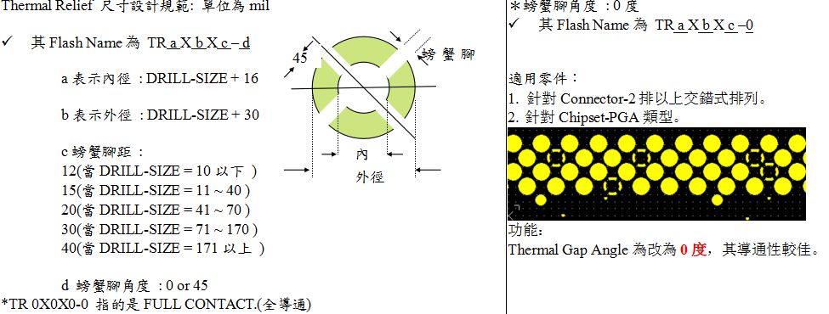

 | Trace Routing for Large SMT Connectors | We see a trend with higher speed IO to move to large SMT connectors (e.g. PCIe, DDR UDIMMs). Do you see any issues or concerns with these types of connectors? | 1. The factory assembly failure rate is much higher than DIP type slot. 2. SMD type is difficult to rework / repair.
 |  | For large SMT connectors (e.g. PCIe, DDR UDIMMS, etc…) with pitch ~0.85mm to 1.0mm, do you allow for soldermask between the pins or are ganged soldermask openings a requirement? (please refer to the graphic on the right) | We can route between the pins with minimum 1. trace width = 3.5mil 2. pad width = 7 mil 3. pad to trace = 4.75mil Alder Lake design is still in Layout process. But we think Solder Mask is a must for production quality control.
 |  | For the above question, Intel is planning to route traces between these pins (please refer to graphic on the right), do you have any concerns? | For 2DPC DDR5 design, Intel PDG still shows TBD and no RVP board file available for us to download, we need to try this routing by ourself.

 | Trace Routing for Passive Components | Do you allow for trace routing between the pads, or underneath the pads, of chip components, such as 0603 and 0805, etc...? | Only when there is not other solution.

 | Reliability | Do you perform any reliability validation on your sockets? | Yes
 |  | Are your reliability tests performed at a board and/or system level? | Board level
 |  | Which type of reliability tests and stress levels do you perform and expect to meet? Please list and describe each test. | Shock & Vibration | For your shock & vibration tests, can you provide some add'n info on the specific test conditions used and your success criteria?
 |  | Do you use the Intel reference thermal solution (heatsink design) or proprietary design? | For VR: Proprietary Design | For your CPU thermal solution, do you use the Intel design or a proprietary design?
 |  | If you use proprietary thermal solutions could you provide any further information on your thermal solution characteristics? | Not available yet. | What is the current range (min-max) of thermal solution mass you currently use? (e.g. Max 550 grams)

